Effort Overview Total
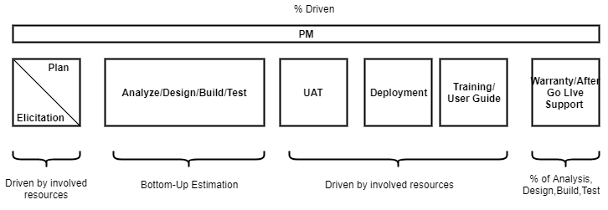

 |  |  |  |  | Version 1

# | Category | Item Name | (Main Caracteristics) | Total Effort (Mhrs) | %
 |  |  |  | 2146.87 | 100.00%

1 |  | Solution Preparation | Out of scope | 0.00 | -
2 |  | Elicitation/Plan | Out of scope | - | -
3 |  | Analysis, Design, Build, Test | In Scope | 1951.70 | 90.91%
4 |  | Project Management | 10% | 195.17 | 9.09%
5 |  | User Acceptance Test (UAT) | Out of scope | - | -
6 |  | Deployment on sev Devices | Out of scope | - | -
7 |  | Train the trainer/Documentation | Out of scope | - | -
8 |  | Warranty | 5% | - | -

